POPULAR STEEL GRADES
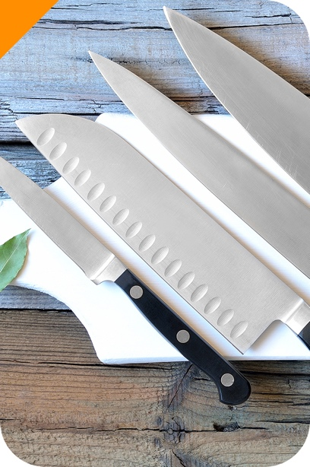
MOST POPULAR STAINLESS STEEL GRADES AND THEIR APPLICATIONS

AUSTENITIC STAINLESS STEEL GRADES
POPULAR STEEL GRADES | CHARACTERISTICS | APPLICATIONS
304 | 304 stainless steel is the most common type used in the kitchen. It has a bright shine due to a high level of chromium and nickel. It's also very resistant to corrosion and rust, although it's susceptible to corrosion caused by exposure to salt. | Kitchen appliances, internal parts, kitchen utensils, small wares, flatware, prep tables
316 | This is the second most common type of stainless steel, and its alloy includes an additional element, molybdenum, which increases its resistance to corrosion caused by salt and other chemicals. | Kitchen equipment, hibachi grills, high-end cookware, equipment and furniture used outdoors, outdoor equipment used near the ocean
FERRITIC STAINLESS STEEL GRADES
POPULAR STEEL GRADES | CHARACTERISTICS | APPLICATIONS
430 | 430 stainless steel contains a very small amount of nickel, and it's not as corrosion resistant as the 300 series steels. But, this type is also magnetic. | Medium-quality flatware, prep tables, appliance doors, induction-ready cookware
DUPLEX STAINLESS STEEL GRADES
POPULAR STEEL GRADES | CHARACTERISTICS | APPLICATIONS
2205 | Duplex 2205 is the most widely used duplex steel. Has excellent corrosion resistance. The microstructure provides resistance to stress corrosion cracking and ensures high strength. | Heat exchangers, pressure vessels, tanks, tubes and pipes for different industries including oil and gas.

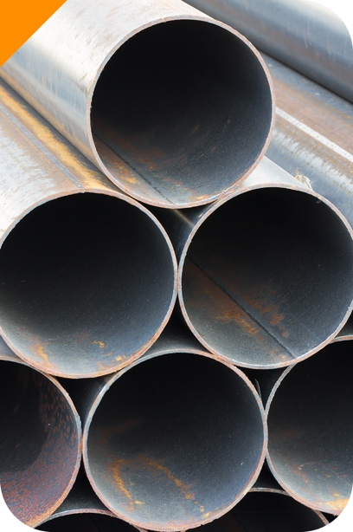
MOST POPULAR CARBON STEEL GRADES AND THEIR APPLICATIONS

LOW CARBON STEEL (MILD STEEL)
POPULAR STEEL GRADES | CHARACTERISTICS | APPLICATIONS
A36 | It is strong, tough, ductile, formable and weldable. Easily machined, welded, and formed, making it extremely useful as a general-purpose steel. | Components in the automotive, construction, heavy equipment, and oil and gas industries.
MEDIUM CARBON STEEL
POPULAR STEEL GRADES | CHARACTERISTICS | APPLICATIONS
1045 | Has good weldability, good machinability, and high strength and impact properties | Gears Pins Rams Shafts Rolls Sockets Axles Spindles Worms

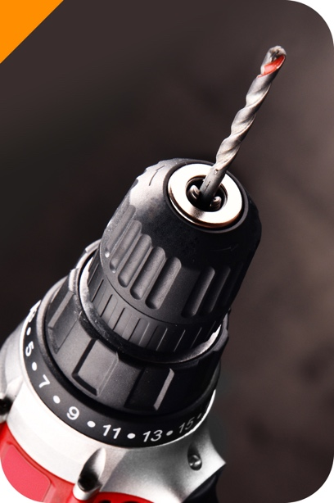
MOST POPULAR TOOL STEEL GRADES AND THEIR APPLICATIONS

HIGH CARBON STEEL (TOOL STEEL)
GRADE | CHARACTERISTICS | APPLICATIONS
W1 | Easy machining characteristic, ability to develop a keen cutting edge, high surface case hardness, and its soft, ductile, inner core. This grade is the most popular, versatile, and least expensive grade of tool steel. | Hand operated metal cutting tools, cold heading, embossing taps and reamers as well as cutlery.
W7 | Easy to work with, inexpensive, and offers quite good edge performance for cutting. | Pocket knives, custom knives and blades
A2, A7 | A2 offers good toughness with medium wear resistance and relatively easy machining properties. | Blanking dies, forming dies, punch dies, drill bushings, gauges
D2 | D2 offers excellent wear resistance and abrasion. Used in applications when long term resistance to wear is required | Forming rollers, trim dies, label dies, wear plates
O1 | O1 offers deep hardening and high toughness properties | Spindles, collets, gauges
H12 | General-purpose hot work steel. H12 tool steel contains (0.2~0.5%) less vanadium than the widely-used H13 hot works tool steel. Has good resistance to thermal fatique cracking (heat cracking) and excellent resistnce to gross cracking and thermal shock when water cooled in service. | Forming dies, Press dies, Hot Shear, Immediate Roller for Cold Rolling
H13 | Hot-work tool steels are a popular option when dealing with high temperature applications because they are less likely to lose their hardness and wear resistance at elevated temperatures. | Inserts, cores, and cavities for die casting dies, die casting shot sleeves, hot forging dies, extrusion dies, and plastic mold cavities
H19 | H19 is employed in applications requiring extremely high shock and abrasion resistance even at elevated temperatures. | Extrusion dies, extrusion die inserts, dummy blocks, punches, forging die inserts, mandrels.
M7 | Can withstand elevated temperatures, have high wear resistance to prevent tool degradation when exposed to many cycles in a short time frame. | Drill bits, cutting blades, and pump components.
T1 | High wear resistance to prevent tool degradation at high speeds and elevated temperatures | Broaches, drills, hobs, knurling tools, milling cutters
S7 | Offers a unique combination of toughness and wear resistance, | Used for both cold and hot tooling applications, plastic injection mold tools

TYPE OF APPLICATIONS

ORGANIZED BY TYPE OF APPLICATION
POPULAR STAINLESS STEEL GRADES FOR CONSUMER GOODS

GRADES | CHARACTERISTICS | APPLICATIONS
304 | 304 stainless steel is the most common type used in the kitchen. It has a bright shine due to a high level of chromium and nickel. It's also very resistant to corrosion and rust, although it's susceptible to corrosion caused by exposure to salt. | Kitchen appliances, internal parts, kitchen utensils, small wares, flatware, prep tables
316 | This is the second most common type of stainless steel, and its alloy includes an additional element, molybdenum, which increases its resistance to corrosion caused by salt and other chemicals. | Kitchen equipment, hibachi grills, high-end cookware, equipment and furniture used outdoors, outdoor equipment used near the ocean
430 | 430 stainless steel contains a very small amount of nickel, and it's not as corrosion resistant as the 300 series steels. But, this type is also magnetic. | Medium-quality flatware, prep tables, appliance doors, induction-ready cookware

POPULAR STAINLESS STEEL GRADES FOR INDUSTRIAL APPLICATIONS

GRADES | CHARACTERISTICS | APPLICATIONS
2205 | Duplex 2205 is the most widely used duplex steel. Has excellent corrosion resistance. The microstructure provides resistance to stress corrosion cracking and ensures high strength. | Heat exchangers, pressure vessels, tanks, tubes and pipes for different industries including oil and gas.

POPULAR CARBON STEEL GRADES FOR GENERAL PURPOSE GOODS

GRADES | CHARACTERISTICS | APPLICATIONS
1045 | Has good weldability, good machinability, and high strength and impact properties | Gears Pins Rams Shafts Rolls Sockets Axles Spindles Worms

POPULAR CARBON STEEL GRADES FOR MECHANICAL COMPONENTS

GRADES | CHARACTERISTICS | APPLICATIONS
A36 | It is strong, tough, ductile, formable and weldable. Easily machined, welded, and formed, making it extremely useful as a general-purpose steel. | Components in the automotive, construction, heavy equipment, and oil and gas industries. | 

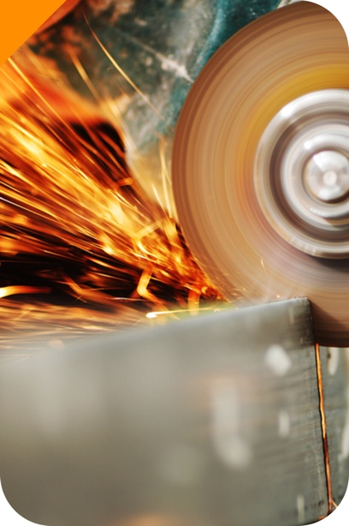
POPULAR TOOL STEEL GRADES AND THEIR APPLICATIONS

GRADE | CHARACTERISTICS | APPLICATIONS
W1 | Easy machining characteristic, ability to develop a keen cutting edge, high surface case hardness, and its soft, ductile, inner core. This grade is the most popular, versatile, and least expensive grade of tool steel. | Hand operated metal cutting tools, cold heading, embossing taps and reamers as well as cutlery.
W7 | Easy to work with, inexpensive, and offers quite good edge performance for cutting. | Pocket knives, custom knives and blades
A2, A7 | A2 offers good toughness with medium wear resistance and relatively easy machining properties. | Blanking dies, forming dies, punch dies, drill bushings, gauges
D2 | D2 offers excellent wear resistance and abrasion. Used in applications when long term resistance to wear is required | Forming rollers, trim dies, label dies, wear plates
O1 | O1 offers deep hardening and high toughness properties | Spindles, collets, gauges
H12 | General-purpose hot work steel. H12 tool steel contains (0.2~0.5%) less vanadium than the widely-used H13 hot works tool steel. Has good resistance to thermal fatique cracking (heat cracking) and excellent resistnce to gross cracking and thermal shock when water cooled in service. | Forming dies, Press dies, Hot Shear, Immediate Roller for Cold Rolling
H13 | Hot-work tool steels are a popular option when dealing with high temperature applications because they are less likely to lose their hardness and wear resistance at elevated temperatures. | Inserts, cores, and cavities for die casting dies, die casting shot sleeves, hot forging dies, extrusion dies, and plastic mold cavities
H19 | H19 is employed in applications requiring extremely high shock and abrasion resistance even at elevated temperatures. | Extrusion dies, extrusion die inserts, dummy blocks, punches, forging die inserts, mandrels.
M7 | Can withstand elevated temperatures, have high wear resistance to prevent tool degradation when exposed to many cycles in a short time frame. | Drill bits, cutting blades, and pump components.
T1 | High wear resistance to prevent tool degradation at high speeds and elevated temperatures | Broaches, drills, hobs, knurling tools, milling cutters
S7 | Offers a unique combination of toughness and wear resistance, | Used for both cold and hot tooling applications, plastic injection mold tools

