Rating system guideline
Please note that below are some examples to demostrate the rating system. It may not be suitable in your case. Please always try and discuss with a diverse team to decide the grades.
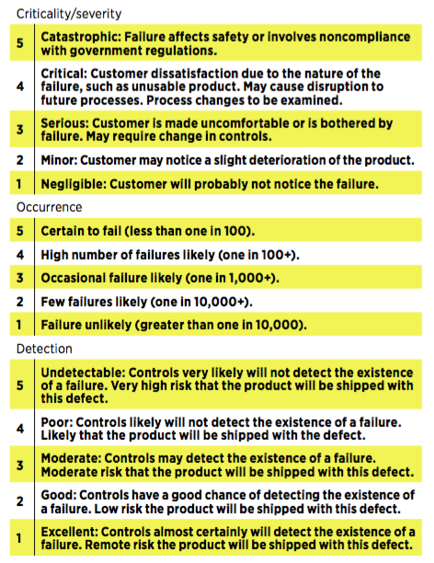

Source: Quality Digest (American Society for Quality)

